KPI
Category Wise Sales Share %
Total Sales |  | Total Profit |  | Quantity | No of Orders | Category Wise Sales Share %
Sum of Sales |  | Sum of Profit |  | Sum of Quantity | Count of Order ID | Row Labels | Sum of Sales
$,2297.20 K |  | $,286.40 K |  | 37873 | 9994 | Furniture | 32.30%
$,2297.20 K |  | $,286.40 K |  | 37873 | 9994 | Office Supplies | 31.30%
 |  |  |  |  |  | Technology | 36.40%
 |  |  |  |  |  | Grand Total | 100.00%

Monthly Sales And Profit Trend
Monthly Sales and Profit Trend
Row Labels | Sum of Sales | Sum of Profit
Jan | $,154.83 K | $,31.58 K
Feb | $,112.58 K | $,10.02 K
Mar | $,178.99 K | $,20.35 K
Top Performing Sub-Categories
Apr | $,172.12 K | $,22.04 K
May | $,206.51 K | $,24.17 K |  |  |  | Top Performing Sub-Categories
Jun | $,179.99 K | $,11.90 K |  |  |  | Row Labels | Sum of Sales
Jul | $,160.82 K | $,21.99 K |  |  |  | Binders | $,203.41 K
Aug | $,184.88 K | $,24.49 K |  |  |  | Tables | $,206.97 K
Sep | $,237.42 K | $,27.47 K |  |  |  | Storage | $,223.84 K
Oct | $,191.14 K | $,25.68 K |  |  |  | Chairs | $,328.45 K
Nov | $,259.12 K | $,32.47 K |  |  |  | Phones | $,330.01 K
Dec | $,258.80 K | $,34.22 K |  |  |  | Grand Total | $,1292.68 K
Grand Total | 2297200.8603 | 286397.0217

Region-wise Sales Distribution
Row Labels | Sum of Sales |  | State | Sales
Alabama | 19510.64 |  | Alabama | $,19.51 K
Arizona | 35282.001 |  | Arizona | $,35.28 K
Arkansas | 11678.13 |  | Arkansas | $,11.68 K
California | 457687.6315 |  | California | $,457.69 K
Colorado | 32108.118 |  | Colorado | $,32.11 K
Connecticut | 13384.357 |  | Connecticut | $,13.38 K
Delaware | 27451.069 |  | Delaware | $,27.45 K
District of Columbia | 2865.02 |  | District of Columbia | $,2.87 K
Florida | 89473.708 |  | Florida | $,89.47 K
Georgia | 49095.84 |  | Georgia | $,49.10 K
Idaho | 4382.486 |  | Idaho | $,4.38 K
Illinois | 80166.101 |  | Illinois | $,80.17 K
Indiana | 53555.36 |  | Indiana | $,53.56 K
Iowa | 4579.76 |  | Iowa | $,4.58 K
Kansas | 2914.31 |  | Kansas | $,2.91 K
Kentucky | 36591.75 |  | Kentucky | $,36.59 K
Louisiana | 9217.03 |  | Louisiana | $,9.22 K
Maine | 1270.53 |  | Maine | $,1.27 K
Maryland | 23705.523 |  | Maryland | $,23.71 K
Massachusetts | 28634.434 |  | Massachusetts | $,28.63 K
Michigan | 76269.614 |  | Michigan | $,76.27 K
Minnesota | 29863.15 |  | Minnesota | $,29.86 K
Mississippi | 10771.34 |  | Mississippi | $,10.77 K
Missouri | 22205.15 |  | Missouri | $,22.21 K
Montana | 5589.352 |  | Montana | $,5.59 K
Nebraska | 7464.93 |  | Nebraska | $,7.46 K
Nevada | 16729.102 |  | Nevada | $,16.73 K
New Hampshire | 7292.524 |  | New Hampshire | $,7.29 K
New Jersey | 35764.312 |  | New Jersey | $,35.76 K
New Mexico | 4783.522 |  | New Mexico | $,4.78 K
New York | 310876.271 |  | New York | $,310.88 K
North Carolina | 55603.164 |  | North Carolina | $,55.60 K
North Dakota | 919.91 |  | North Dakota | $,0.92 K
Ohio | 78258.136 |  | Ohio | $,78.26 K
Oklahoma | 19683.39 |  | Oklahoma | $,19.68 K
Oregon | 17431.15 |  | Oregon | $,17.43 K
Pennsylvania | 116511.914 |  | Pennsylvania | $,116.51 K
Rhode Island | 22627.956 |  | Rhode Island | $,22.63 K
South Carolina | 8481.71 |  | South Carolina | $,8.48 K
South Dakota | 1315.56 |  | South Dakota | $,1.32 K
Tennessee | 30661.873 |  | Tennessee | $,30.66 K
Texas | 170188.0458 |  | Texas | $,170.19 K
Utah | 11220.056 |  | Utah | $,11.22 K
Vermont | 8929.37 |  | Vermont | $,8.93 K
Virginia | 70636.72 |  | Virginia | $,70.64 K
Washington | 138641.27 |  | Washington | $,138.64 K
West Virginia | 1209.824 |  | West Virginia | $,1.21 K
Wisconsin | 32114.61 |  | Wisconsin | $,32.11 K
Wyoming | 1603.136 |  | Wyoming | $,1.60 K
Grand Total | 2297200.8603

Dashboard



US Superstore Analysis

Filters
Total Sales
Total Profit
Total Quantity
Total Orders

37873
9994
$,2297.20 K
$,286.40 K

Monthly Sales and Profit Trend
Top Performing Sub-Categories

 | Sum of Sales | Sum of Profit
Jan | $,154.83 K | $,31.58 K
Feb | $,112.58 K | $,10.02 K
Mar | $,178.99 K | $,20.35 K
Apr | $,172.12 K | $,22.04 K
May | $,206.51 K | $,24.17 K
Jun | $,179.99 K | $,11.90 K
Jul | $,160.82 K | $,21.99 K
Aug | $,184.88 K | $,24.49 K
Sep | $,237.42 K | $,27.47 K
Oct | $,191.14 K | $,25.68 K
Nov | $,259.12 K | $,32.47 K
Dec | $,258.80 K | $,34.22 K
 | Total
Binders | $,203.41 K
Tables | $,206.97 K
Storage | $,223.84 K
Chairs | $,328.45 K
Phones | $,330.01 K

Region-wise Sales Distribution
Category Wise Sales Share %

 | Total
Furniture | 32.30%
Office Supplies | 31.30%
Technology | 36.40%

PivotTable Analysis
Total Sales By Month |  | Sales by Category/Region |  |  |  |  | Profit by Year
Row Labels | Sum of Sales | Sum of Sales | Column Labels |  |  |  | Row Labels | Sum of Profit
Jan | $,154.83 K | Row Labels | Furniture | Office Supplies | Technology | Grand Total | 2014 | 43930.0448
Feb | $,112.58 K | Central | 163797.1638 | 167026.415 | 170416.312 | 501239.8908 | 2015 | 54858.8708
Mar | $,178.99 K | East | 208291.204 | 205516.055 | 264973.981 | 678781.24 | 2016 | 84506.1035
Apr | $,172.12 K | South | 117298.684 | 125651.313 | 148771.908 | 391721.905 | 2017 | 103102.0026
May | $,206.51 K | West | 252612.7435 | 220853.249 | 251991.832 | 725457.8245 | Grand Total | $,286.40 K
Jun | $,179.99 K | Grand Total | $,742.00 K | $,719.05 K | $,836.15 K | $,2297.20 K
Jul | $,160.82 K
Aug | $,184.88 K
Sep | $,237.42 K |  | Profit Vs Sales_ Scatter Chart
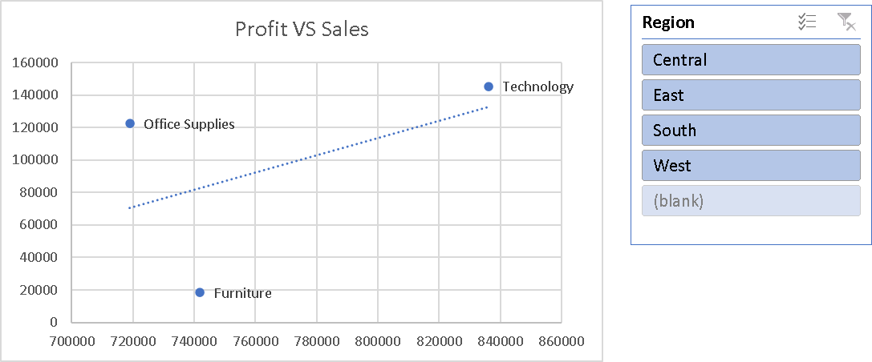
Oct | $,191.14 K
Nov | $,259.12 K
Dec | $,258.80 K
Grand Total | $,2297.20 K
 | 2297200.8603

Profit VS Sales_Scatter Chart
Row Labels | Sum of Profit | Sum of Sales
Furniture | 18451.2728 | 741999.7953
Office Supplies | 122490.8008 | 719047.032
Technology | 145454.9481 | 836154.033
(blank)
Grand Total | 286397.0217 | 2297200.8603

 | Profit | Sales
Furniture | 18451.2728 | 741999.7953
Office Supplies | 122490.8008 | 719047.032
Technology | 145454.9481 | 836154.033

